mysamples
Financial Aid vs. Total Expenses
270 | 7707
875 | 6756
928 | 4810
265 | 6665
522 | 5828
790 | 4755
69 | 6878
748 | 5546
248 | 7520
74 | 5690
615 | 5765
19 | 7205
540 | 6679
859 | 6909
75 | 6815
26 | 6272
237 | 7679
851 | 5174
311 | 6281
401 | 5133
732 | 5719
549 | 6854
610 | 6443
285 | 5798
56 | 6249
528 | 7649
690 | 5420
705 | 7545
671 | 5577
448 | 4985
3 | 7616
302 | 7155
555 | 7093
110 | 7448
365 | 4820
320 | 4930
675 | 5999
265 | 6906
251 | 7128
392 | 7450
118 | 7378
140 | 6936
449 | 6406
942 | 5822
881 | 5543
348 | 5570
235 | 6526
745 | 7057
260 | 5918
211 | 6285
...
Average Financial Aid by Major
major | Sum of expenses per row
Biology | 1429717
Computer Science | 1221771
Economics | 1279244
Engineering | 1196986
Psychology | 1187760
Grand Total | 6315478

Total Expenses by Major

xpense Distribution by Category
 | Expense category | Total
 | Tution | 4520395
 | Food | 252642
 | Housing | 696006
 | Transportation | 124637
 | Books/supplies | 174761
 | Entertainment | 84814
 | Personal care | 60699
 | Technology | 178304
 | Health/wellness | 114310
 | Miscellaneous | 108910

my dashboard
Monthly Income vs. Total Expenses
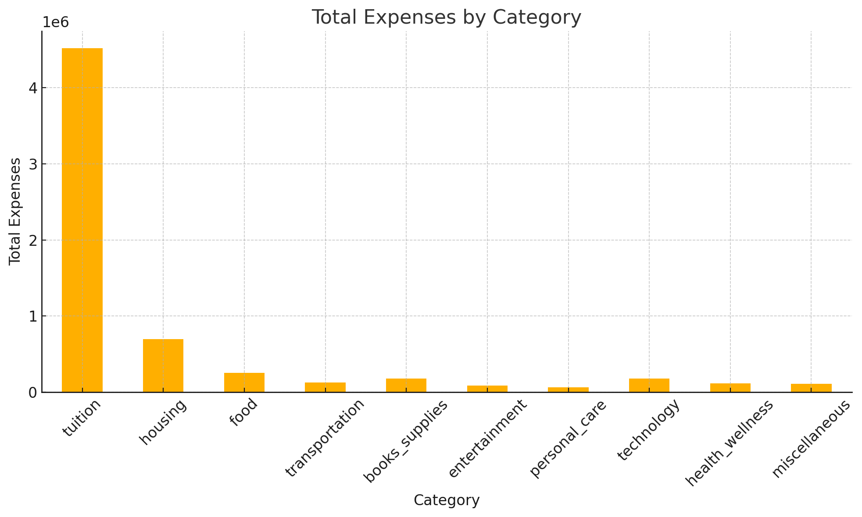
Total Expenses by Category
 | montly income | finacial aid | tution | housing | food | transportation | books supply | entertainment | personalcare | technology | health wellness
Total | 2040342 | 1009272 | 9034851 | 1391303 | 504988 | 249151 | 349334 | 169587 | 121320 | 356474 | 228493

Expense Distribution by Category
 | Total
Tution | 4520395
Food | 252642
Housing | 696006
Transportation | 124637
Books/supplies | 174761
Entertainment | 84814
Personal care | 60699
Technology | 178304
Health/wellness | 114310
Miscellaneous | 108910
Total Expenses by Major
 | Total
Biology | 1429717
Computer Science | 1221771
Economics | 1279244
Engineering | 1196986
Psychology | 1187760
Financial Aid vs. Total Expenses
270 | 7707
875 | 6756
928 | 4810
265 | 6665
522 | 5828
790 | 4755
69 | 6878
748 | 5546
248 | 7520
74 | 5690
615 | 5765
19 | 7205
540 | 6679
859 | 6909
75 | 6815
26 | 6272
237 | 7679
851 | 5174
311 | 6281
401 | 5133
732 | 5719
549 | 6854
610 | 6443
285 | 5798
56 | 6249
528 | 7649
690 | 5420
705 | 7545
671 | 5577
448 | 4985
3 | 7616
302 | 7155
555 | 7093
110 | 7448
365 | 4820
320 | 4930
675 | 5999
265 | 6906
251 | 7128
392 | 7450
118 | 7378
140 | 6936
449 | 6406
942 | 5822
881 | 5543
348 | 5570
235 | 6526
745 | 7057
260 | 5918
211 | 6285
...

 |  |  |  |  |  |  |  |  | Custom Metrics Calculation
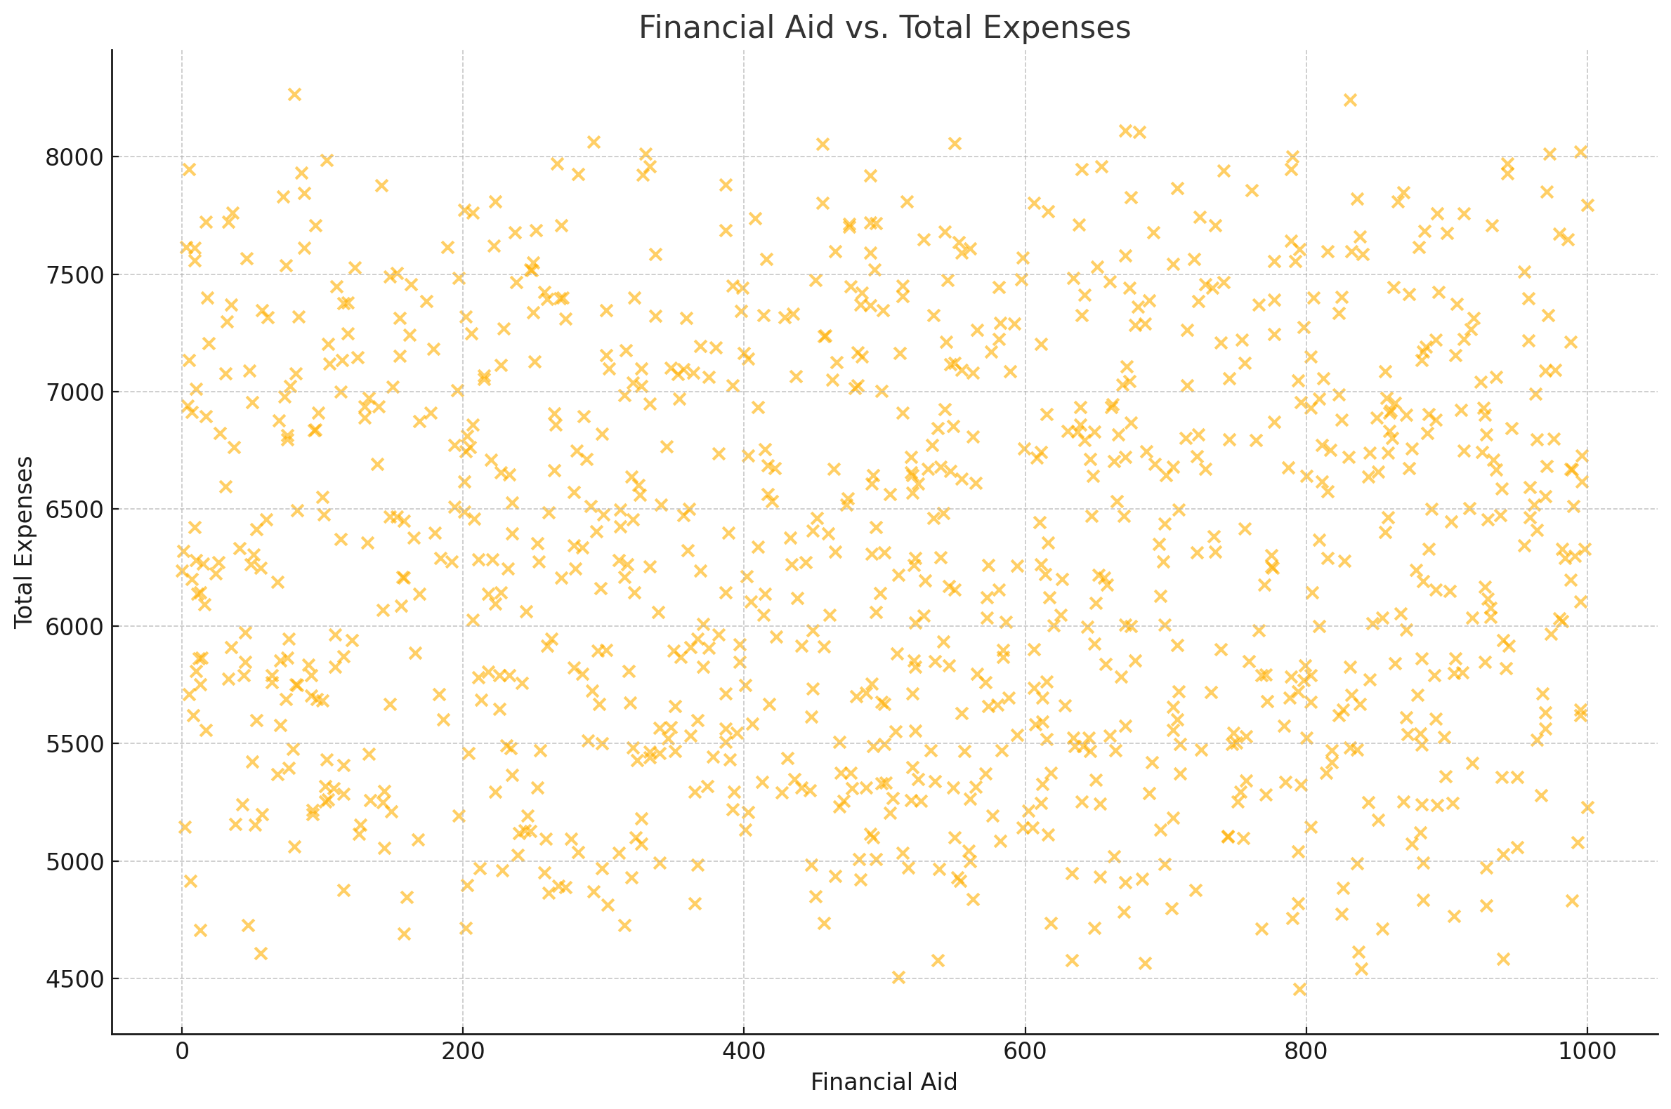

 |  |  |  |  |  |  |  |  | Total Expenses: $6,315,478 Average Monthly Income: $1,020.65 Total Financial Aid Received: $504,771 |  |  |  |  |  | my dropdown list
 |  |  |  |  |  |  |  |  |  |  |  |  |  |  | age

 |  | Summary Table Of Student Expenses

age | gender | year_in_school | major | monthly_income | financial_aid | tuition | housing | food | transportation | books_supplies | entertainment | personal_care | technology | health_wellness | miscellaneous | preferred_payment_method | total_expenses
19 | Non-binary | Freshman | Psychology | 958 | 270 | 5939 | 709 | 296 | 123 | 188 | 41 | 78 | 134 | 127 | 72 | Credit/Debit Card | 7707
24 | Female | Junior | Economics | 1006 | 875 | 4908 | 557 | 365 | 85 | 252 | 74 | 92 | 226 | 129 | 68 | Credit/Debit Card | 6756
24 | Non-binary | Junior | Economics | 734 | 928 | 3051 | 666 | 220 | 137 | 99 | 130 | 23 | 239 | 112 | 133 | Cash | 4810
23 | Female | Senior | Computer Science | 617 | 265 | 4935 | 652 | 652 | 114 | 223 | 99 | 30 | 163 | 105 | 55 | Mobile Payment App | 6665
20 | Female | Senior | Computer Science | 810 | 522 | 3887 | 825 | 372 | 168 | 194 | 48 | 71 | 88 | 71 | 104 | Credit/Debit Card | 5828

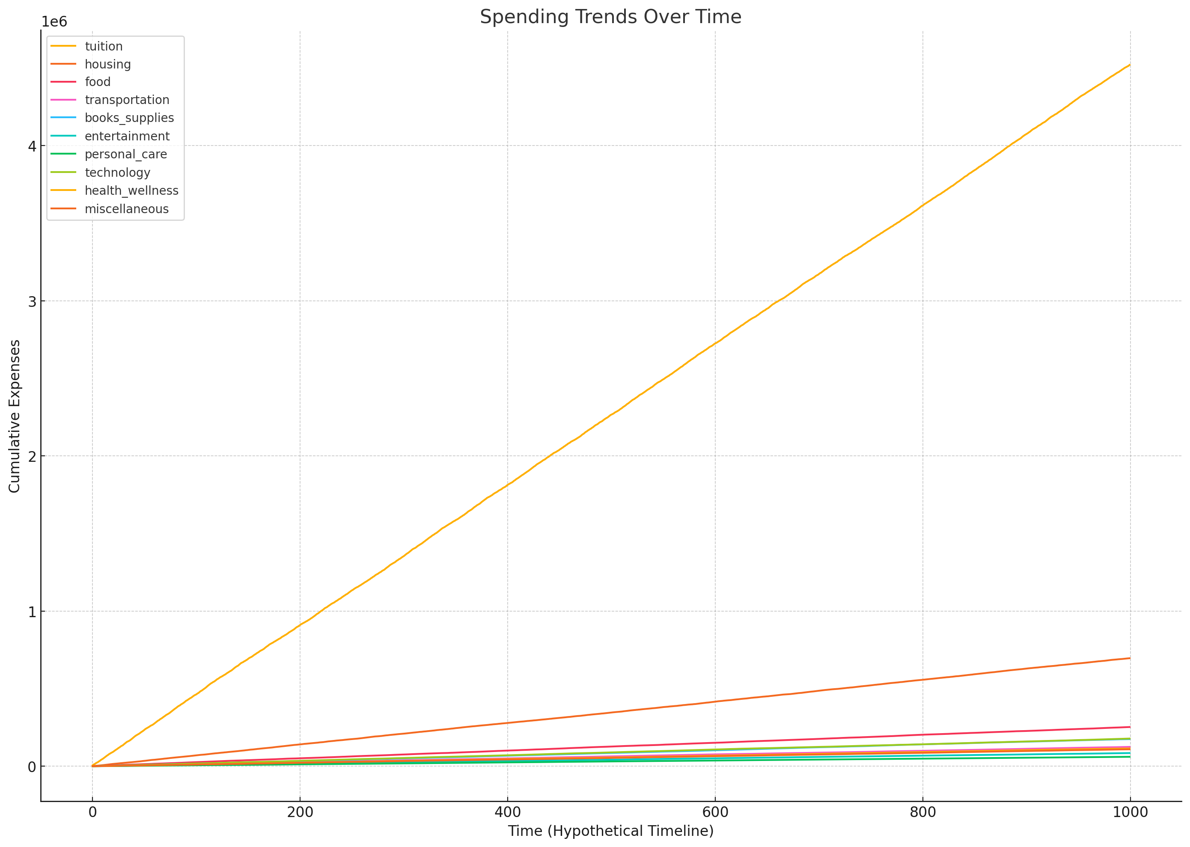
Average Financial Aid by Major
 | Total
Biology | 1429717
Computer Science | 1221771
Economics | 1279244
Engineering | 1196986
Psychology | 1187760

 | Key Insights and Analysis Section

Expense Categories
Highest Expenses- Tuition and Housing are the largest expense categories, representing 70% and 11% of total expenses respectively.
Lowest Expenses- Personal Care and Entertainment have the lowest expenses, each accounting for less than Z% of total expenses.
Financial Aid Impact
Positive Correlation- Higher financial aid amounts generally correlate with higher total expenses.
There is a positive correlation between financial aid and total expenses, indicating that students with higher financial aid tend to have higher expenses.
Outliers- Some students with high financial aid still have low total expenses, indicating effective financial management.
Spending Patterns
Seasonal Trends- There are notable spikes in spending during certain periods, likely due to tuition payments and book purchases at the start of semesters.
Expense-to-Income Ratio
High Ratios- Students with an expense-to-income ratio above 1.2 are identified as outliers, indicating potential financial stress and reliance on financial aid.
Sustainable Ratios- Most students maintain a ratio between 0.8 and 1.0, suggesting balanced financial management.

